Chart - Policy decisions
 | Tax | Current spending | Total
2025-2026 | 0.0 | 0.1 | 0.1
2026-2027 | 0.1 | 0.2 | 0.3
2027-2028 | -0.1 | 0.3 | 0.2
2028-2029 | -0.3 | 0.2 | -0.1
2029-2030 | -0.7 | 0.1 | -0.6
2030-2031 | -0.7 | 0.1 | -0.7

Chart - GDP forecasts
 | OBR (Nov25) | OBR (Mar25) | OE (Nov25)
2024 | 100.0 | 100.0 | 100.0
2025 | 101.5 | 101.0 | 101.4
2026 | 102.9 | 102.9 | 102.3
2027 | 104.5 | 104.7 | 103.6
2028 | 106.0 | 106.5 | 105.3
2029 | 107.6 | 108.4 | 107.1
2030 | 109.3 |  | 108.8

Chart - Fiscal impulse
 | Fiscal impulse
2010 | -2.1
2011 | -1.4
2012 | 0.4
2013 | -1.0
2014 | 0.4
2015 | -0.5
2016 | -1.4
2017 | 0.1
2018 | -0.2
2019 | 0.9
2020 | 12.1
2021 | -9.9
2022 | -1.8
2023 | 0.0
2024 | 0.0
2025 | -0.9
2026 | -0.8
2027 | -0.4
2028 | -0.5
2029 | -0.7
2030 | 0.0

Chart - Headroom
 | Headroom
2010-2019 | 34
Sunak | 26
Hunt | 10
Budget (Oct24) | 10
Spring forecast (Mar25) | 10
Budget (Nov25) | 22

Chart - Real current DEL index
 | Budget (Mar24) | Budget (Oct24) | Spring forecast (Mar25) | Budget (Nov25)
23-24 | 99.839
24-25 | 100.000 | 100.000 | 100.000
25-26 | 100.332 | 102.495 | 103.339 | 0.000
26-27 | 100.823 | 103.357 | 104.704 | 0.000
27-28 | 101.444 | 104.271 | 105.313 | 0.000
28-29 | 102.034 | 105.201 | 105.911 | 0.000
29-30 |  | 106.251 | 106.593 | 0.000
30-31 |  |  |  | 0.000

Chart - Revenues & Spending
 | Revenues | Spending
2024-25 | 38.9 | 44.0
2025-26 | 40.5 | 45.0
2026-27 | 41.2 | 44.7
2027-28 | 41.8 | 44.8
2028-29 | 41.9 | 44.5
2029-30 | 42.3 | 44.3
2030-31 | 42.4 | 44.3

Chart - Inflation forecasts
 | OE November forecast | OE post-Budget forecast | 2% LINE
Jan-24 | 4.0 | 4.0 | 2
Feb-24 | 3.4 | 3.4 | 2
Mar-24 | 3.2 | 3.2 | 2
Apr-24 | 2.3 | 2.3 | 2
May-24 | 2.0 | 2.0 | 2
Jun-24 | 2.0 | 2.0 | 2
Jul-24 | 2.2 | 2.2 | 2
Aug-24 | 2.2 | 2.2 | 2
Sep-24 | 1.7 | 1.7 | 2
Oct-24 | 2.3 | 2.3 | 2
Nov-24 | 2.6 | 2.6 | 2
Dec-24 | 2.5 | 2.5 | 2
Jan-25 | 3.0 | 3.0 | 2
Feb-25 | 2.8 | 2.8 | 2
Mar-25 | 2.6 | 2.6 | 2
Apr-25 | 3.5 | 3.5 | 2
May-25 | 3.4 | 3.4 | 2
Jun-25 | 3.6 | 3.6 | 2
Jul-25 | 3.8 | 3.8 | 2
Aug-25 | 3.8 | 3.8 | 2
Sep-25 | 3.8 | 3.8 | 2
Oct-25 | 3.6 | 3.6 | 2
Nov-25 | 3.6 | 3.6 | 2
Dec-25 | 3.8 | 3.8 | 2
Jan-26 | 3.4 | 3.5 | 2
Feb-26 | 3.4 | 3.5 | 2
Mar-26 | 3.3 | 3.4 | 2
Apr-26 | 2.6 | 2.5 | 2
May-26 | 2.7 | 2.6 | 2
Jun-26 | 2.5 | 2.4 | 2
Jul-26 | 2.5 | 2.5 | 2
Aug-26 | 2.7 | 2.6 | 2
Sep-26 | 2.8 | 2.7 | 2
Oct-26 | 2.6 | 2.6 | 2
Nov-26 | 2.6 | 2.5 | 2
Dec-26 | 2.6 | 2.5 | 2
Jan-27 | 2.6 | 2.5 | 2
Feb-27 | 2.6 | 2.5 | 2
Mar-27 | 2.6 | 2.5 | 2
Apr-27 | 2.6 | 2.6 | 2
May-27 | 2.6 | 2.6 | 2
Jun-27 | 2.6 | 2.6 | 2
Jul-27 | 2.6 | 2.6 | 2
Aug-27 | 2.6 | 2.6 | 2
Sep-27 | 2.5 | 2.5 | 2
Oct-27 | 2.5 | 2.5 | 2
Nov-27 | 2.4 | 2.5 | 2
Dec-27 | 2.5 | 2.5 | 2

OBR_NOV25_C4.1
Back to contents
 | Chart 4.1: National Accounts taxes as a share of GDP
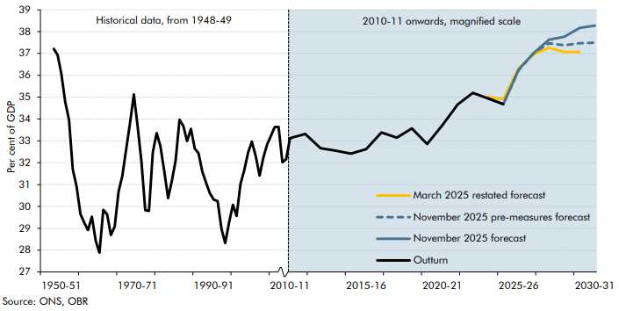

 | Year | Outturn | March 2025 restated forecast | November 2025 pre-measures forecast | November 2025 forecast
 | 1945-46
 | 1946-47
 | 1947-48
 | 1948-49 | 37.2
 | 1949-50 | 36.9
 | 1950-51 | 36.1
 | 1951-52 | 34.8
 | 1952-53 | 34.0
 | 1953-54 | 31.7
 | 1954-55 | 30.9
 | 1955-56 | 29.6
 | 1956-57 | 29.2
 | 1957-58 | 28.9
 | 1958-59 | 29.5
 | 1959-60 | 28.4
 | 1960-61 | 27.9
 | 1961-62 | 29.8
 | 1962-63 | 29.6
 | 1963-64 | 28.7
 | 1964-65 | 29.1
 | 1965-66 | 30.7
 | 1966-67 | 31.4
 | 1967-68 | 32.6
 | 1968-69 | 33.8
 | 1969-70 | 35.1
 | 1970-71 | 33.7
 | 1971-72 | 32.1
 | 1972-73 | 29.8
 | 1973-74 | 29.8
 | 1974-75 | 32.5
 | 1975-76 | 33.4
 | 1976-77 | 32.8
 | 1977-78 | 31.6
 | 1978-79 | 30.4
 | 1979-80 | 31.2
 | 1980-81 | 32.1
 | 1981-82 | 34.0
 | 1982-83 | 33.7
 | 1983-84 | 33.0
 | 1984-85 | 33.6
 | 1985-86 | 32.6
 | 1986-87 | 32.4
 | 1987-88 | 31.6
 | 1988-89 | 31.1
 | 1989-90 | 30.6
 | 1990-91 | 30.3
 | 1991-92 | 30.2
 | 1992-93 | 29.0
 | 1993-94 | 28.3
 | 1994-95 | 29.3
 | 1995-96 | 30.1
 | 1996-97 | 29.6
 | 1997-98 | 31.0
 | 1998-99 | 31.7
 | 1999-00 | 32.5
 | 2000-01 | 33.0
 | 2001-02 | 32.3
 | 2002-03 | 31.4
 | 2003-04 | 32.2
 | 2004-05 | 32.8
 | 2005-06 | 33.2
 | 2006-07 | 33.6
 | 2007-08 | 33.6
 | 2008-09 | 32.0
 | 2009-10 | 32.2
 | 2010-11 | 33.1
 | 2011-12 | 33.3
 | 2012-13 | 32.7
 | 2013-14 | 32.6
 | 2014-15 | 32.4
 | 2015-16 | 32.6
 | 2016-17 | 33.4
 | 2017-18 | 33.1
 | 2018-19 | 33.6
 | 2019-20 | 32.9
 | 2020-21 | 33.7
 | 2021-22 | 34.7
 | 2022-23 | 35.2
 | 2023-24 | 34.9
 | 2024-25 | 34.7 | 34.9 | 34.7 | 34.7
 | 2025-26 |  | 36.3 | 36.2 | 36.3
 | 2026-27 |  | 37.0 | 37.0 | 37.0
 | 2027-28 |  | 37.3 | 37.5 | 37.6
 | 2028-29 |  | 37.1 | 37.4 | 37.8
 | 2029-30 |  | 37.1 | 37.5 | 38.2
 | 2030-31 |  |  | 37.5 | 38.3

OBR_NOV25_C5.1
Back to contents
 | Chart 5.1: Public spending as a share of GDP
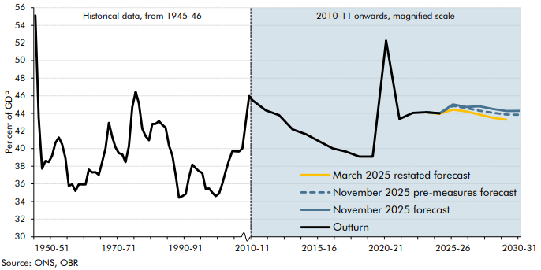

 | Year | Outturn | March 2025 restated forecast | November 2025 pre-measures | November 2025 forecast
 | 1945-46 | 55.1
 | 1946-47 | 43.5
 | 1947-48 | 37.7
 | 1948-49 | 38.6
 | 1949-50 | 38.5
 | 1950-51 | 39.2
 | 1951-52 | 40.6
 | 1952-53 | 41.3
 | 1953-54 | 40.5
 | 1954-55 | 38.9
 | 1955-56 | 35.8
 | 1956-57 | 36.0
 | 1957-58 | 35.2
 | 1958-59 | 35.9
 | 1959-60 | 35.9
 | 1960-61 | 35.9
 | 1961-62 | 37.6
 | 1962-63 | 37.3
 | 1963-64 | 37.3
 | 1964-65 | 37.0
 | 1965-66 | 38.5
 | 1966-67 | 40.0
 | 1967-68 | 42.9
 | 1968-69 | 41.4
 | 1969-70 | 40.1
 | 1970-71 | 39.5
 | 1971-72 | 39.3
 | 1972-73 | 38.5
 | 1973-74 | 40.3
 | 1974-75 | 44.7
 | 1975-76 | 46.5
 | 1976-77 | 45.1
 | 1977-78 | 42.3
 | 1978-79 | 41.4
 | 1979-80 | 40.9
 | 1980-81 | 42.8
 | 1981-82 | 42.8
 | 1982-83 | 43.1
 | 1983-84 | 42.7
 | 1984-85 | 42.4
 | 1985-86 | 40.3
 | 1986-87 | 39.2
 | 1987-88 | 37.0
 | 1988-89 | 34.4
 | 1989-90 | 34.6
 | 1990-91 | 34.8
 | 1991-92 | 36.7
 | 1992-93 | 38.2
 | 1993-94 | 37.8
 | 1994-95 | 37.4
 | 1995-96 | 37.2
 | 1996-97 | 35.4
 | 1997-98 | 35.5
 | 1998-99 | 35.0
 | 1999-00 | 34.6
 | 2000-01 | 34.9
 | 2001-02 | 36.1
 | 2002-03 | 37.4
 | 2003-04 | 38.7
 | 2004-05 | 39.7
 | 2005-06 | 39.7
 | 2006-07 | 39.7
 | 2007-08 | 40.0
 | 2008-09 | 43.0
 | 2009-10 | 46.0
 | 2010-11 | 45.5
 | 2011-12 | 44.4
 | 2012-13 | 43.8
 | 2013-14 | 42.2
 | 2014-15 | 41.6
 | 2015-16 | 40.8
 | 2016-17 | 40.0
 | 2017-18 | 39.7
 | 2018-19 | 39.1
 | 2019-20 | 39.1
 | 2020-21 | 52.3
 | 2021-22 | 43.4
 | 2022-23 | 44.1
 | 2023-24 | 44.1 | 44.1 | 44.1 | 44.1
 | 2024-25 | 44.0 | 43.9 | 44.0 | 44.0
 | 2025-26 |  | 44.4 | 44.8 | 45.0
 | 2026-27 |  | 44.2 | 44.6 | 44.7
 | 2027-28 |  | 43.9 | 44.3 | 44.8
 | 2028-29 |  | 43.5 | 44.1 | 44.5
 | 2029-30 |  | 43.3 | 43.9 | 44.3
 | 2030-31 |  |  | 43.8 | 44.3

OBR_NOV25_C7.3
Back to contents
 | Chart 7.3: Probability of meeting and headroom against fiscal mandate
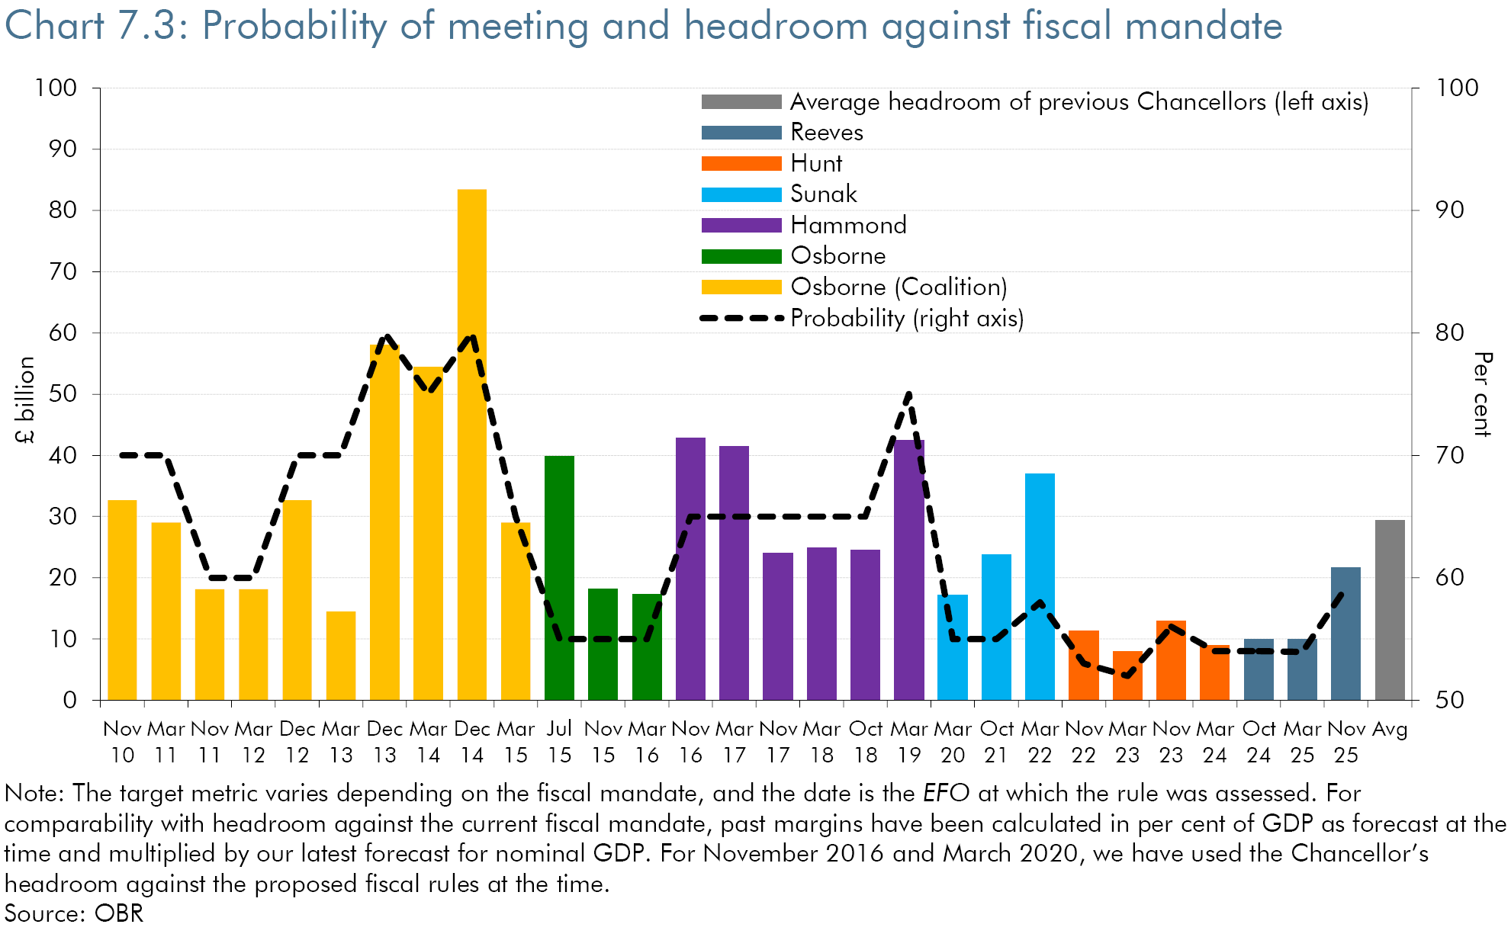

 | Date | Headroom (left axis) | Probability of meeting fiscal mandate (right axis)
 | Nov 10 | 33 | 70
 | Mar 11 | 29 | 70
 | Nov 11 | 18 | 60
 | Mar 12 | 18 | 60
 | Dec 12 | 33 | 70
 | Mar 13 | 15 | 70
 | Dec 13 | 58 | 80
 | Mar 14 | 54 | 75
 | Dec 14 | 83 | 80
 | Mar 15 | 29 | 65
 | Jul 15 | 40 | 55
 | Nov 15 | 18 | 55
 | Mar 16 | 17 | 55
 | Nov 16 | 43 | 65
 | Mar 17 | 42 | 65
 | Nov 17 | 24 | 65
 | Mar 18 | 25 | 65
 | Oct 18 | 25 | 65
 | Mar 19 | 42 | 75
 | Mar 20 | 17 | 55
 | Oct 21 | 24 | 55
 | Mar 22 | 37 | 58
 | Nov 22 | 11 | 53
 | Mar 23 | 8 | 52
 | Nov 23 | 13 | 56
 | Mar 24 | 9 | 54
 | Oct 24 | 10 | 54
 | Mar 25 | 10 | 54
 | Nov 25 | 22 | 59
 | Average headroom of previous Chancellors (left axis) | 29

